Sheet1
House Mags Clothing
Order form for House Mags clothing 2026

Name & Surname (of student)
Student number:
Cell nr (student):
Cell nr (parent):
E-mail (parent):

1. Compulsory Clothing: |  | Size (click dropdown list to select your size) | Quantity (type the nr of clothing items you need) | Amount | Sub-total 1
Pink Shirt | R420 |  |  | R0 | R 0
Daisy T-shirt | R230 |  |  | R0

Long black pants (NOT shorts) | Own

2. Optional House Mags Clothing: |  | Size (click dropdown list to select your size) | Quantity (type the nr of jackets you want to purchase) | Amount | Sub-total 2
House Mags Jacket | R 650 |  |  | R 0 | R 0

3. Spikkel fund contribution |  |  |  |  | Sub-total 3
Amount | R 200 | Money allocated to 1st year events and outings |  |  | R 200

 |  |  |  |  | TOTAL
 |  |  |  |  | R 200
PAYMENT OPTIONS OPTION 1: Payment from any bank account (except ABSA): Beneficiary: VSR KLUBBATE Bank: ABSA (Hatfield – ZA632005) Cheque account nr: 214 000 00 38 Reference nr: X0L814 (Surname). Please remember to include the reference number as this is the only way to trace the payment to you. EXAMPLE: X0L814 (Smith) - (please note that the 0 in X0L814 is a number ‘zero’). Please email proof of payment to: housemags@up.ac.za
OPTION 2: Payment from an ABSA bank account: • Step 1: Add beneficiary • Step 2: Add “Absa listed beneficiary” (not Absa account). • Step 3: Next to “Beneficiary name”, type “University of Pretoria” and choose Account nr: 214 000 00 38 for University of Pretoria Main. • Step 4: Next to “Account number/Reference at University of Pretoria”, type the reference nr, namely (X0L814 + Surname of student). Please remember to include this – it’s the only way to trace payment to you. EXAMPLE: X0L814 (Smith) - (please note that the 0 in X0L814 is a zero). • Step 5: Next to “Account holder’s name at University of Pretoria”, type your Initials and Surname • Step 6: Next to “My reference” type in House Mags (and remember to request proof of payment) NB! Please email proof of payment to: housemags@up.ac.za

CLOTHING DESCRIPTIONS COMPULSORY CLOTHING (R610 + long black pants) The compulsory clothing items (pink shirt & daisy T-shirt) will be worn during Welcoming week, Monday evening workshops, every Thursday and during all official university/residence activities. These clothing items are prescribed by the university and are worn by all residence students (all year groups).

Pink shirt | Daisy T-shirt |  | Long black pants
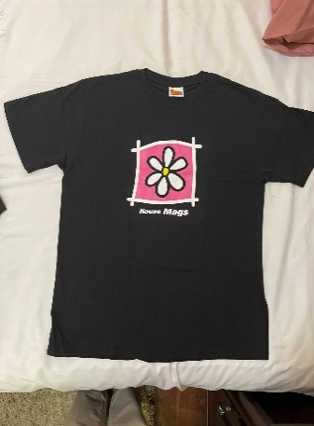 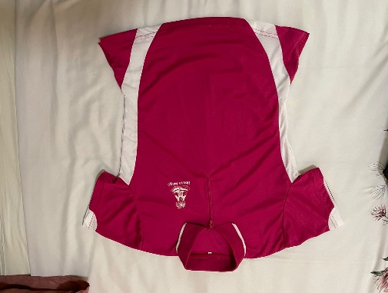

R420 | R230 |  | (bring from home)
Tip: Two shirts come in handy when one is dirty and sweaty. This shirt is worn throughout your 3 to 4 years in the residence. | Worn when doing sport and at informal residence events |  | Long black pants

OPTIONAL CLOTHING The jacket is worn throughout your 3 to 4 years in the residence. Very handy on cold, windy and rainy days, and when students have evening functions. One of the most popular clothing items in the residence.

House Mags Jacket
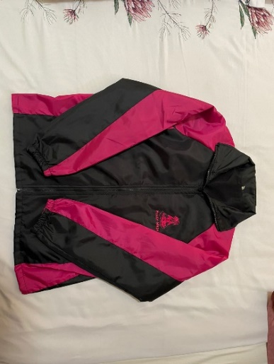

R 650

